Project4789
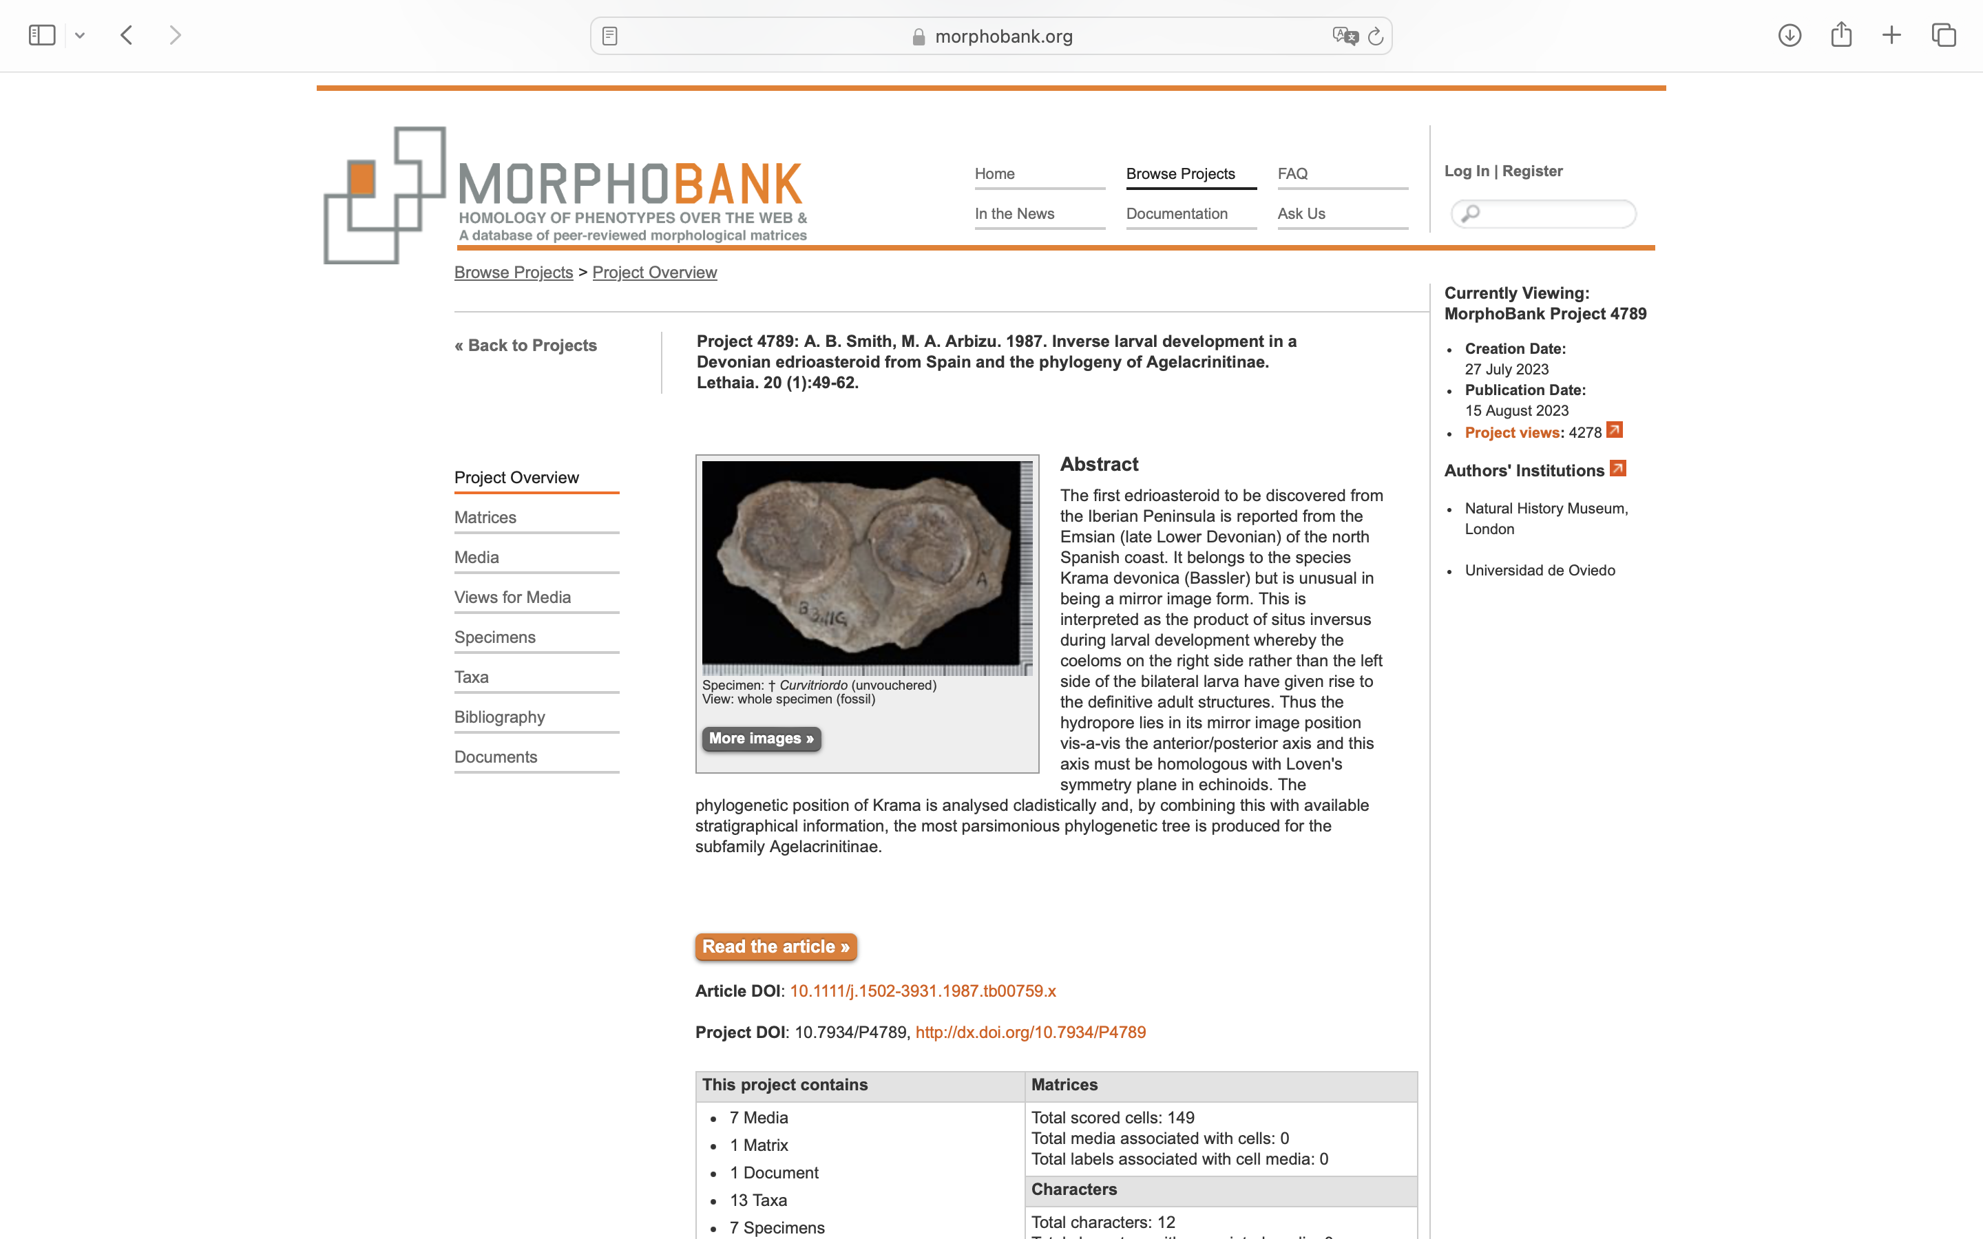
Charlabels | Character Pattern | Unseen States
[1] 'Ambulacra' | Transformational | YES
[2] 'Orals' | Transformational | NO
[3] 'Ambulacral cover plates' | Transformational | NO
[4] 'Ambulacral cover plate pattern' | Transformational | YES
[5] 'Tertiary cover plates' | Transformational | YES
[6] 'Primary orals' | Transformational | YES
[7] 'Ambulacral flooring plates' | Transformational | YES
[8] 'Body form' | Transformational | YES
[9] 'Interambulacral plating' | Transformational | YES
[10] 'Hydropore/gonopore opening' | Transformational | NO
[11] 'Primary oral plates' | Transformational | YES
[12] 'Flooring plates' | Transformational | YES

